Introduction
Two friends are arguing about who has the best strategy at Roulette. John always bets on the single number '3' and Jabu 's approach is to bet on 'Red'
Which strategy do you think will have the highest net outcome (payoff)?
Which strategy do you think is 'better' and why?
Use the Play_Roulette worksheet to experiment and see which strategy is "best". Work with a partner, one of you playing Jabu's strategy and the other John's and each betting R10 on each play. Record your overall profits/losses for a total of 10 plays each.
Try and describe the way in which the two sets of profit/loss outcomes differ from each other? Because this experiment was based on a small sample however the results might not provide clear evidence one way or another and may in fact be quite misleading...
The Casino Advantage worksheet will provide you with a tool to increase your sample (play many times over) and help you see the pattern of results.
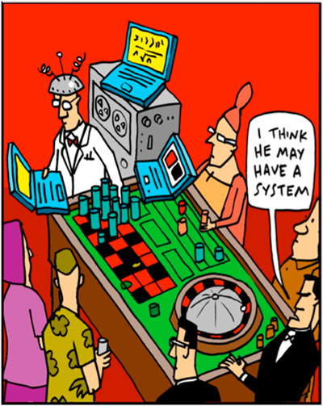

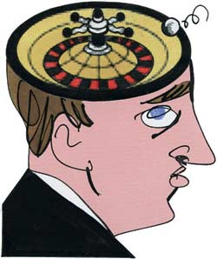

When you have finished working through the "Play_Roulette" and "Casino Advantage" worksheets, complete the questions on the "Questions" worksheet and submit your answers on the Vula "Self Assessment Week 3" Quiz.

Check out some more gambling home truths on
http://www.nrgp-gambling-handbook.co.za/roulette.htm

Play_Roulette
 |  |  |  |  |  |  |  |  |  |  |  |  |  |  |  |  |  | Red | Black |  | Payoff (inc. Bet)
Winning number |  |  |  |  |  |  |  |  |  |  |  |  |  |  |  |  | Bet |  |  |  | R 0.00
 | 5 |  |  |  |  |  | 3 | 26 | 0 | 32 | 15 |  |  |  |  |  |  | ODD | EVEN |  | Payoff (inc. Bet)
 |  |  |  |  |  | 35 |  |  |  |  |  | 19 |  |  |  |  | Bet |  |  |  | R 0.00
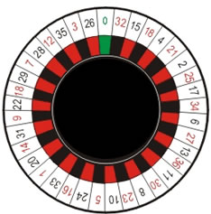
 |  |  |  |  | 12 |  |  |  |  |  |  |  | 4 |  |  |  |  | 1st 12 | 2nd 12 | 3rd 12 | Payoff (inc. Bet)
 |  |  |  | 28 |  |  |  |  |  |  |  |  |  | 21 |  |  | Bet |  |  |  | R 0.00
 |  |  |  | 7 |  |  |  |  |  |  |  |  |  |  | 2 |  |  | Individ. Number |  |  | Payoff (inc. Bet)
 |  |  | 29 |  |  |  |  |  |  |  |  |  |  |  | 25 |  |  | 3
 |  |  | 18 |  |  |  |  |  |  |  |  |  |  |  |  |  | Bet | R 10.00 |  |  | R 0.00
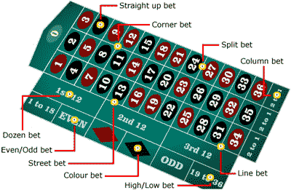
 |  |  |  |  |  |  |  |  |  |  |  |  |  |  |  | 17
 |  | 22 |  |  |  |  |  |  |  |  |  |  |  |  |  | 34
 |  | 9 |  |  |  |  |  |  |  |  |  |  |  |  |  | 6
 |  | 31 |  |  |  |  |  |  |  |  |  |  |  |  |  | 27
 |  |  | 14 |  |  |  |  |  |  |  |  |  |  |  | 13

 |  |  | 20 |  |  |  |  |  |  |  |  |  |  |  | 36
 |  |  |  | 1 |  |  |  |  |  |  |  |  |  | 11
 |  |  |  |  | 33 |  |  |  |  |  |  |  | 30
 |  |  |  |  |  | 16 |  |  |  |  |  | 8
 |  |  |  |  |  |  | 24 |  | 5 | 10 | 23

